HOME
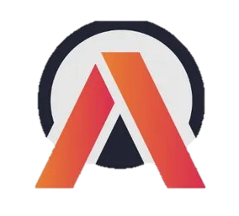
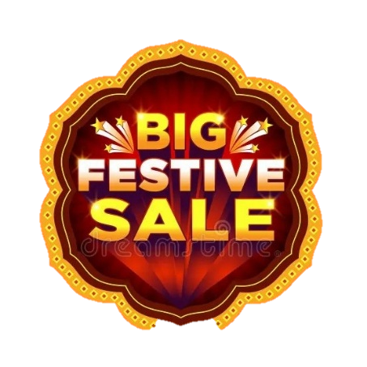
ATLIQ MART PROMOTION ANALYSIS DASHBOARD

AtliQ Mart

HOME
EXECUTIVE SUMMARY
CAMPAIGN & PROMOTION ANALYSIS
PRODUCT & STORE ANALYSIS

Presented By : Suprika Nagula

SUMMARY
EXECUTIVE OVERVIEW
IR %
Incremental Sold Units
Quantity After

110%
4,41,676
6,50,726

Revenue Before (M)
Revenue After (M)
Quantity Before
ISU %
Incremental Revenue (M)

140.70
295.61
2,09,050
211%
154.91
AtliQ Mart

Incremental Revenue (%) by Product Category
 | Total
Home Appliances | 265%
Home Care | 176%
Combo1 | 136%
Grocery & Staples | 45%
Personal Care | -34%
Campaign Contribution to Total Promotional Revenue
 | Total
Diwali | 171.46
Sankranti | 124.15

HOME

SUMMARY

CAMPAIGN & PROMOTION ANALYSIS

PRODUCT & STORE ANALYSIS

Incremental Revenue (M) by Promotion Type
 | Total
25% OFF | -3.17
33% OFF | -1.56
50% OFF | -0.73
500 Cashback | 91.05
BOGOF | 69.32
Revenue Before vs After Promotion by Campaign
 | Revenue Before (M) | Revenue After (M)
Diwali | 82.57 | 171.46
Sankranti | 58.13 | 124.15
Key Insights
1. Revenue grew by 110% (₹140.70M → ₹295.61M).
2. Sales Volume increased by 211% (209K → 651K units).
3. Diwali generated the highest revenue contribution (58%).
4. Home Appliances was the top-performing category.
5. Cashback and BOGOF were the most effective promotions.

CAMPAIGN & PROMOTION ANALYSIS
CAMPAIGN AND PROMOTION ANALYSIS

Best Campaign
Highest IR%
Highest ISU%
Best Promotion
AtliQ Mart
Sankranthi
267%
640%
BOGOF

HOME
Promotion Effectiveness: IR% vs ISU% by Promotion Type
 | ISU % | IR %
BOGOF | 640% | 267%
500 Cashback | 183% | 136%
33% OFF | 43% | -4%
50% OFF | 33% | -34%
25% OFF | -13% | -35%
Campaign - wise Promotion Performance
 | 25% OFF | 33% OFF | 50% OFF | 500 Cashback | BOGOF
Diwali | -34% | -1% | -35% | 152% | 244%
Sankranti | -39% | -7% | -31% | 88% | 275%

SUMMARY

CAMPAIGN & PROMOTION ANALYSIS

PRODUCT & STORE ANALYSIS

Key Insights
1. BOGOF delivered the highest sales growth and incremental units.
2. Sankranti outperformed Diwali in both IR% and ISU%.
3. Cashback was the second most effective promotion.
4. 25% OFF and 33% OFF underperformed and need strategy review.
Incremental Sold Units by Promotion Type
 | Total
BOGOF | 372,326
500 Cashback | 40,881
33% OFF | 27,255
50% OFF | 6,931
25% OFF | -5,717
Campaign Performance Comparison(IR% vs ISU%)
 | IR % | ISU %
Diwali | 108% | 97%
Sankranti | 114% | 338%

PRODUCT & STORE ANALYSIS
PRODUCT AND STORE ANALYSIS
Top Store
STMYS-1

Top Product
Top City
Top Category
Atliq Waterproof Immersion Rod
Home Appliances
AtliQ Mart
Bengaluru

HOME
Bottom 10 Stores by Incremental Sold Units
 | Total
STCBE-4 | 5,942
STVJD-0 | 5,870
STMLR-1 | 5,481
STMLR-2 | 5,374
STTRV-0 | 5,306
STVJD-1 | 5,302
STTRV-1 | 5,072
STVSK-4 | 4,988
STVSK-3 | 4,553
STMLR-0 | 3,978
Top Performing 10 Stores Across Cities
 | Total
STBLR-3 (Bengaluru) | 3.94
STCHE-6 (Chennai) | 4.04
STMYS-3 (Mysuru) | 4.40
STCHE-3 (Chennai) | 4.41
STBLR-6 (Bengaluru) | 4.61
STCHE-7 (Chennai) | 4.65
STBLR-7 (Bengaluru) | 4.72
STBLR-0 (Bengaluru) | 4.76
STCHE-4 (Chennai) | 4.83
STMYS-1 (Mysuru) | 4.92

SUMMARY

CAMPAIGN & PROMOTION ANALYSIS

PRODUCT & STORE ANALYSIS

Key Insights
1. STMYS-1 led in incremental revenue.
2. Atliq Waterproof Immersion Rod delivered the highest IR%.
3. Home Appliances achieved the strongest growth.
4. Bottom-performing stores and Personal Care require optimized promotion strategies.
Top 5 Products by Incremental Revenue (%)
 | Total
Atliq_waterproof_Immersion_Rod | 266%
Atliq_High_Glo_15W_LED_Bulb | 263%
Atliq_Double_Bedsheet_set | 258%
Atliq_Curtains | 255%
Atliq_Farm_Chakki_Atta (1KG) | 160%
Category Performance: Revenue Growth vs Sales Growth
 | ISU % | IR %
Combo1 | 183% | 136%
Grocery & Staples | 197% | 45%
Home Appliances | 629% | 265%
Home Care | 265% | 176%
Personal Care | 25% | -34%

